Table 1
Q1) |  |  | PBBSC- Exercises in Excel
This exercise in Microsoft Excel consists of a database of randomly sampled individuals (males and females) in the age range of 20-30 years. The age (years), height (cm), weight (kg) and measured levels of cholesterol, high density lipoprotein (HDL) and triglycerides (TG) are given in the below table. The objective of this dataset is to identify those individuals with hypercholesterolemia who might have a propensity to develop diabetes. 1. Create a new Workbook named Diabetes. 2. Copy the following data in Sheet 1 of the workbook Diabetes.xlsx and rename the sheet as Data:
Gender | Age (Years) | Height (cm) |  | Weight (kg) | Cholesterol (mg/dL) | HDL (mg/dL) | TG (mg/dL)
M | 21 | 156 |  | 60 | 140 | 34 | 58
F | 26 | 145 |  | 55 | 122 | 39 | 38
M | 30 | 178 |  | 78 | 166 | 62 | 83
M | 28 | 167 |  | 69 | 105 | 21 | 78
M | 27 | 180 |  | 83 | 119 | 51 | 29
M | 21 | 154 |  | 75 | 232 | 61 | 65
F | 29 | 148 |  | 64 | 164 | 53 | 69
M | 26 | 173 |  | 84 | 128 | 41 | 50
M | 24 | 169 |  | 73 | 148 | 41 | 57
M | 28 | 154 |  | 65 | 223 | 52 | 86
M | 29 | 159 |  | 59 | 181 | 59 | 65
M | 21 | 162 |  | 62 | 130 | 29 | 85
M | 23 | 149 |  | 65 | 149 | 54 | 49
M | 25 | 171 |  | 74 | 111 | 14 | 195
M | 24 | 168 |  | 73 | 191 | 55 | 44
M | 27 | 168 |  | 61 | 153 | 53 | 46
M | 28 | 153 |  | 58 | 212 | 20 | 175
F | 21 | 167 |  | 66 | 178 | 44 | 61
M | 22 | 172 |  | 73 | 130 | 53 | 82
M | 23 | 177 |  | 75 | 395 | 49 | 82
M | 27 | 163 |  | 67 | 180 | 61 | 69
M | 26 | 182 |  | 85 | 165 | 73 | 58
M | 29 | 175 |  | 74 | 162 | 37 | 78
M | 28 | 169 |  | 70 | 158 | 35 | 132
M | 21 | 154 |  | 61 | 178 | 39 | 83
M | 24 | 167 |  | 67 | 183 | 62 | 45
M | 22 | 182 |  | 87 | 167 | 50 | 81
F | 26 | 162 |  | 65 | 158 | 48 | 53
F | 25 | 147 |  | 54 | 181 | 63 | 37
F | 28 | 152 |  | 53 | 149 | 54 | 71
3. Insert a new column to the right of the Weight column called Body Mass Index (BMI). Calculate the BMI for each subject using the following formula:
BMI = weight (kg)/height2 (m)
Note: For this, the height has to be considered in m. Therefore, the calculation becomes weight (kg)/ [(height in cm)/100]2 4. Insert a new column to the right of the TG column. Name this column as LDL(1). Using the following formula compute for each patient the value of LDL cholesterol: LDL(1) (mg/dL) = TG - HDL - TG/5
5. Insert a new column to the right of the LDL(1) column. Name this column as LDL(2). Using the following formula compute for each patient the value of LDL cholesterol: LDL(2) (mg/dL) = Cholesterol /1.19 + TG/1.9 - HDL/1.1 - 38
6. Insert a new column to the right of the Cholesterol column and named it Hypercholesterolemia. Using an IF function and the following criterion, display for each subject the hypercholesterolemia status (as Yes/No): A subject is considered to have hypercholesterolemia if the value of cholesterol is higher or equal to 200 mg/dL.
7. Insert a new column to the right of HDL column named HDLRisk. Display for each subject the risk for heart disease using the following criterion: If the value of HDL is smaller than 40 mg/dL it is considered a risk factor for heart disease.
8. Using COUNTIF predefined function, create the frequency table for gender.
9. Using a predefined function count how many subject we have in the database.
10. Calculate the average (mean) levels of cholesterol, HDL and TG, and median of the cholesterol levels for both males and females in this dataset. To find the median, arrange the data in order from least to greatest. If there is an even number of items in the data set, calculate median taking the average of the two middlemost numbers.
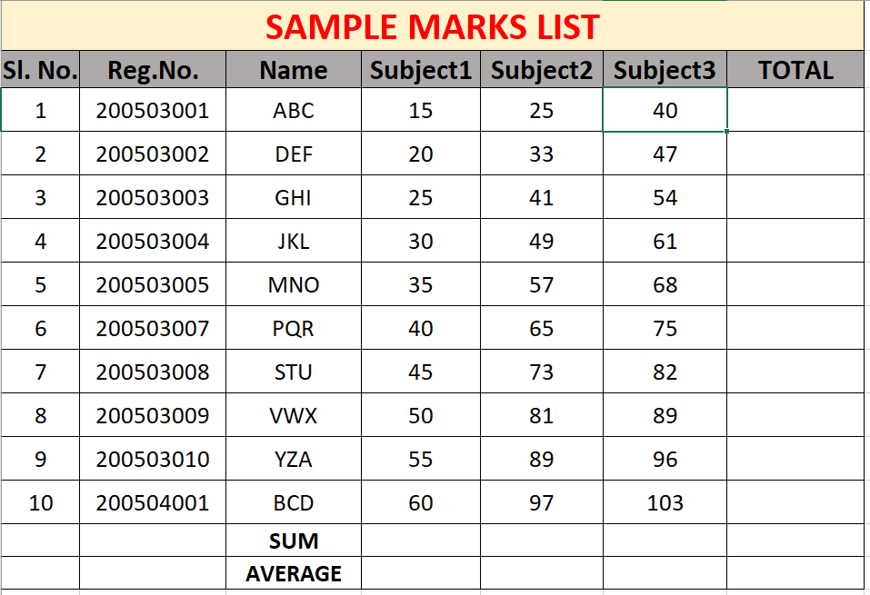
Q2) Prepare an excel chart with the data as given below. Also draw a pie chart showing the marks distribution in each subject.

